Sheet1
Assembly | VTPN | Description | Ref Des / Location | Issue Description | Proposed Remedy | Responsible | Due Date
Box Build | 4905-40010-00 | PCB, Scavenger Main High Voltage Protection Shield, No Cu | Silkscreen | The additional protection board and the MAIN pcb does not fit without cutting a corner. | Holes on Main and Protection PCB need to be checked and adjusted as needed. | Cornel | done
Box Build | 4905-40010-00 | PCB, Scavenger Main High Voltage Protection Shield, No Cu | Silkscreen | No identification on PCB. | Add full VTPT on Silkscreen 4905-40010-01 (new rev to refect all changes on this PCB). | Cornel | done
ADE - Main | 4901-30030-04 | PCB, Scavenger ADE (47.5x26x1.6mm, 4L, 1oz/1oz, ENIG, 8-up), ver 4.3 | C21, C15, C17, C18, C1 & R1 | 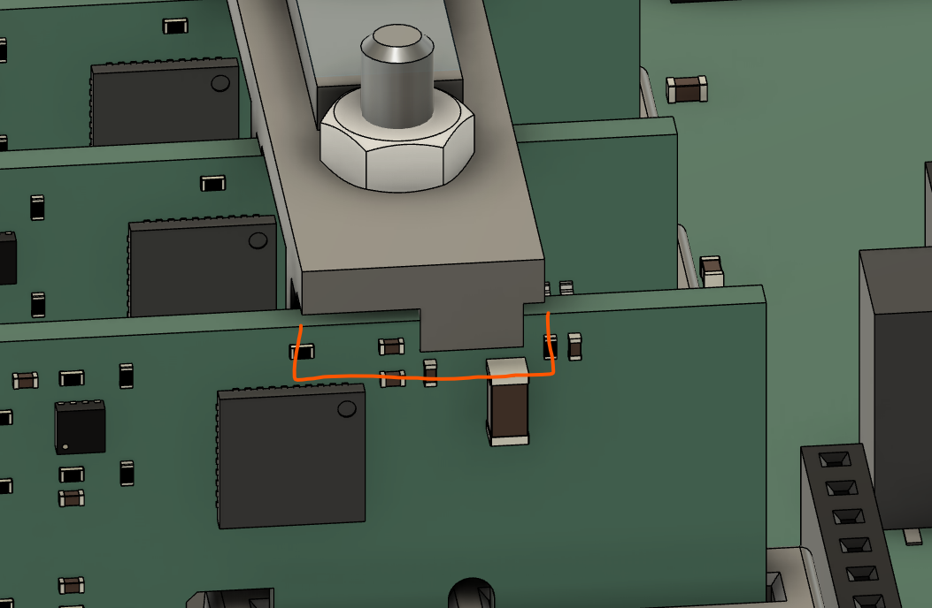 Risk of damage when fitting Retainer Bracket due to proximity of components. | Identify Clearance / Keep out area and move components | Cornel | done
ADE - Main | 4901-30030-04 | PCB, Scavenger ADE (47.5x26x1.6mm, 4L, 1oz/1oz, ENIG, 8-up), ver 4.3 | C17, C2, C4, U4, Y2 | Text very close to via or edge therefore risk of illegibility. | Move accordingly. | Cornel | done
ADE - Main | 4901-30030-04 | PCB, Scavenger ADE (47.5x26x1.6mm, 4L, 1oz/1oz, ENIG, 8-up), ver 4.3 | Silkscreen | Risk of revision identification. V4.3 too limited and common with other PCBs. | Add full VTPT on Silkscreen 4901-30030-05 (new rev to refect all changes on this PCB). |  | done
ADE - Main | 4901-30030-04 | PCB, Scavenger ADE (47.5x26x1.6mm, 4L, 1oz/1oz, ENIG, 8-up), ver 4.3 | Silkscreen | No visual indication that PCA has been Tested and passed by an Operator. | Add small square Box (5~7mm²) , in a visible location, with legend 'Passed' above it. |  | done
ADE - Main | 4901-30030-04 | PCB, Scavenger ADE (47.5x26x1.6mm, 4L, 1oz/1oz, ENIG, 8-up), ver 4.3 | Silkscreen | No Assembly number label. | • OPTION #1; Use existing Serial Number Label and combine PCA details, Human Readable and QR to be updated. • OPTION #2: Add additional location on top or bottom of PCB for placement of PCA Number eg. 3901-30030-05 (new version after changes; note PCB @ 05 is coincidental). • If option #2 then 'Serial' and 'Assy' should be added to silkscreen inside their rectangle. |  | done
ADE-Aux | 4906-00010-00 | PCB, Scavenger ADE-Aux (47.5x26x1.6mm, 4L, 1oz/1oz, ENIG, 8-up), ver 4.3 | C21, C15, C17, C18, C1 & R1 | 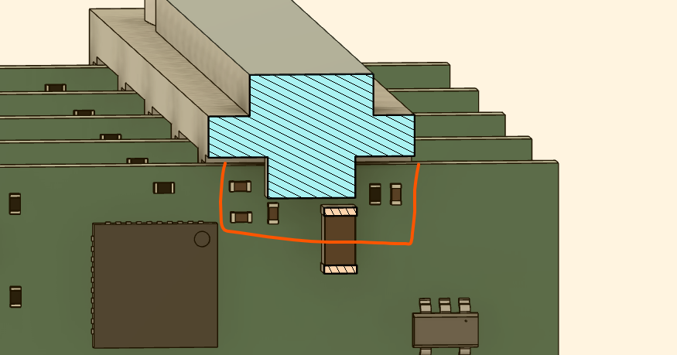 Risk of damage when fitting Retainer Bracket due to proximity of components. |  |  | done
ADE-Aux | 4906-00010-00 | PCB, Scavenger ADE-Aux (47.5x26x1.6mm, 4L, 1oz/1oz, ENIG, 8-up), ver 4.3 | C17, C2, C4, U4, Y2 | Text very close to via or edge therefore risk of illegibility. | Move accordingly. | Cornel | done
ADE-Aux | 4906-00010-00 | PCB, Scavenger ADE-Aux (47.5x26x1.6mm, 4L, 1oz/1oz, ENIG, 8-up), ver 4.3 | Silkscreen | Risk of revision identification. V4.3 too limited and common with other PCBs. | Add full VTPT on Silkscreen 4906-00010-01 (new rev to refect all changes on this PCB). |  | done
ADE-Aux | 4906-00010-00 | PCB, Scavenger ADE-Aux (47.5x26x1.6mm, 4L, 1oz/1oz, ENIG, 8-up), ver 4.3 | Silkscreen | No visual indication that PCA has been Tested and passed by an Operator. | Add small square Box (5~7mm²) , in a visible location, with legend 'Passed' above it. |  | done
ADE-Aux | 4906-00010-00 | PCB, Scavenger ADE-Aux (47.5x26x1.6mm, 4L, 1oz/1oz, ENIG, 8-up), ver 4.3 | Silkscreen | No Assembly number label. | • OPTION #1; Use existing Serial Number Label and combine PCA details, Human Readable and QR to be updated. • OPTION #2: Add additional location on top or bottom of PCB for placement of PCA Number eg. 3906-00010-02 (new version after changes; note PCB @ 05 is coincidental). • If option #2 then 'Serial' and 'Assy' should be added to silkscreen inside their rectangle. |  | done
MCU | 3904-30028-05 | PCA, Scavenger - Control (MCU), Ver 4.2 | Silkscreen | Risk of revision identification. V4.2 too limited and common with other PCBs. | Add full VTPT on Silkscreen 4904-30028-05 (new rev to refect all changes on this PCB). |  | done
MCU | 3904-30028-05 | PCA, Scavenger - Control (MCU), Ver 4.2 | Silkscreen | No visual indication that PCA has been Tested and passed by an Operator. | Add small square Box (5~7mm²) , in a visible location, with legend 'Passed' above it. |  | done
MCU | 3904-30028-05 | PCA, Scavenger - Control (MCU), Ver 4.2 | Silkscreen | No Assembly number label. | • OPTION #1; Use existing Serial Number Label and combine PCA details, Human Readable and QR to be updated. • OPTION #2: Add additional location on top or bottom of PCB for placement of PCA Number eg. 3904-30028-06 (new version after changes; note PCB @ 05 is coincidental). • If option #2 then 'Serial' and 'Assy' should be added to silkscreen inside their rectangle. |  | done | Note 1 : Reed switch was moved down with 1 mm to avoid mechanical interference with the MAIN board Note 2: A new component (D2 - TVS DIODE 5VWM SOD923 code ESD9B5.0ST5G - ONSEMI ) was added to protect RTC voltage input against electrostativ discharges
Main | 3905-30027-05 | PCA, Scavenger - Main (MAIN), No Temp, Ver 4.4 | U10 | Mornsun is on an international restricted trade list. | Identify suitable alternative and replace. | Cornel | done | new component NXE2S0505MC-R7 ( Murata )
Main | 3905-30027-05 | PCA, Scavenger - Main (MAIN), No Temp, Ver 4.4 | Silkscreen | Risk of revision identification. V4.4 too limited and common with other PCBs. | Add full VTPT on Silkscreen 4905-30027-06 (new rev to refect all changes on this PCB). | Cornel | done
Main | 3905-30027-05 | PCA, Scavenger - Main (MAIN), No Temp, Ver 4.4 | Silkscreen | No visual indication that PCA has been Tested and passed by an Operator. | Add small square Box (5~7mm²) , in a visible location, with legend 'Passed' above it. | Cornel | done
Main | 3905-30027-05 | PCA, Scavenger - Main (MAIN), No Temp, Ver 4.4 | Silkscreen | No Assembly number label. | • OPTION #1; Use existing Serial Number Label and combine PCA details, Human Readable and QR to be updated. • OPTION #2: Add additional location on top or bottom of PCB for placement of PCA Number eg. 3905-30027-06 (new version after changes; note PCB @ 05 is coincidental). • If option #2 then 'Serial' and 'Assy' should be added to silkscreen inside their rectangle. | Cornel | done
Comms BG95 | 3902-30029-06 | PCA, Scavenger - Communications (GSM), Ver 4.3 - EUR | J1-Card | No AVL set for SD Card. | Evaluate samples from various manufacturers and approve all suitable. |  |  | J1 - 78646-3001 from Molex is very popular , >200K units on stock @ Digikey. Do we realy need a variant ?
Comms BG95 | 3902-30029-06 | PCA, Scavenger - Communications (GSM), Ver 4.3 - EUR | C4 | Capacitor is damaged when fitting the M3 retaining nut. | All components near an M3 Nut should have Ø10.00mm clearance to a facilitate Hand Tools. | Cornel | done | Q1 C3 C1 and R1 also repositioned
Comms BG95 | 3902-30029-06 | PCA, Scavenger - Communications (GSM), Ver 4.3 - EUR | J11 | Insertion and removaql of SIM Card restricted due to proximity of AUX PCA, when assembly complete. | As SIM Card is inserted during PCA Test, this is not an issue. | Ken | no action
Comms BG95 | 3902-30029-06 | PCA, Scavenger - Communications (GSM), Ver 4.3 - EUR | Silkscreen | Risk of revision identification. V4.3 too limited and common with other PCBs. | Add full VTPT on Silkscreen 4902-30029-06 (new rev to refect all changes on this PCB). |  | done
Comms BG95 | 3902-30029-06 | PCA, Scavenger - Communications (GSM), Ver 4.3 - EUR | Silkscreen | No visual indication that PCA has been Tested and passed by an Operator. | Add small square Box (5~7mm²) , in a visible location, with legend 'Passed' above it. |  | done
Comms BG95 | 3902-30029-06 | PCA, Scavenger - Communications (GSM), Ver 4.3 - EUR | Silkscreen | No Assembly number label. | • OPTION #1; Use existing Serial Number Label and combine PCA details, Human Readable and QR to be updated. • OPTION #2: Add additional location on top or bottom of PCB for placement of PCA Number eg. 3902-30029-07 (new version after changes; note PCB @ 05 is coincidental). • If option #2 then 'Serial' and 'Assy' should be added to silkscreen inside their rectangle. |  | done
Box Build | 3400-00100-00 | CBL, M12 (M), Panel mount, 8-Pin, A-Code, 3P+N, 100mm Cable |  | M16 (M12) Cable assembly prone to rotating when tightening front nut. | Progress design of Hand Tool, build and release to Manufacturing. | Ken
Box Build | 3400-00100-00 | CBL, M12 (M), Panel mount, 8-Pin, A-Code, 3P+N, 100mm Cable |  | Case prone to scratching when tightening M16 (M12) front nut. | Design protective screen / shield. | Ken / Irina
Box Build | 3400-00100-00 | CBL, M12 (M), Panel mount, 8-Pin, A-Code, 3P+N, 100mm Cable |  | Some M16 (M12) nuts fount loose during FAT Build. | Define Torque setting. Source suitable Hand Tool. | Ken
Box Build | 1801-00030-00 | ANT, SMA(F) Bulkhead Straight Jack to 150mm of Ø1.13mm IPEX MHFIII |  | Some SMA nuts fount loose during FAT Build. | Define Torque setting. Source suitable Hand Tool. | Ken
Box Build | 1801-00030-00 | ANT, SMA(F) Bulkhead Straight Jack to 150mm of Ø1.13mm IPEX MHFIII |  |  | ECAS to get cost estimate to rework Case stock from SMA to N-Type | Irina
Box Build | 2040-70026-00 | LBL, Alu 30x30m, Die-Cut, Device ID & QR code |  | Received stock is not flat, corners turned up, therefore not sticking correctly. Risk of label peeling off over time. | Investigate with LTHD and rectify. | Ken

